C.INV
COMMERCIAL INVOICE
1) Shipper/ Exporter : |  | 8) No & Date of Invoice
Shin Textile Solutions Co., Ltd.
801,E&C Venture Dreamtower 2, 55, Digital-ro 33-gil, |  | STB-S26-010 |  |  |  | 14-Mar-26
Guro-gu, Seoul, Korea |  | 9) No & Date L/C
TEL :070-4659-3337 FAX :02-6330-2019
2) Consignee :
SHINTS BVT CO.,LTD VAT:0800006025 |  | 10) L/C issuing bank
PHU TAO RESIDENTIAL AREA, THACH KHOI WARD,
HAI PHONG CITY, VIETNAM
TEL :84-320-3861-727 FAX :84-320-3861-730 |  | 11) Remarks:
XNK-Thy Ha <thyha@shintsbvt.com>
3) Notify party :
THE SAME AS ABOVE

4) Port of loading: | 5) Final Destination:

INCHEON, KOREA | HAIPHONG, VIETNAM
6) Carrier | 7) Sailing on/ or About

12) Marks and Number of PKGS | 13) Description of Goods | 14) Quantity/Uint |  | 15) Unit/price | 16) Amount

 |  | (CPT HANOI,VEITNAM)
SHINTS BVT
(IN DIA)
 | MATERIALS FOR GARMENT
STYLE NO.:
ITEM :
Q'TY :
C/T NO. : | TOTAL

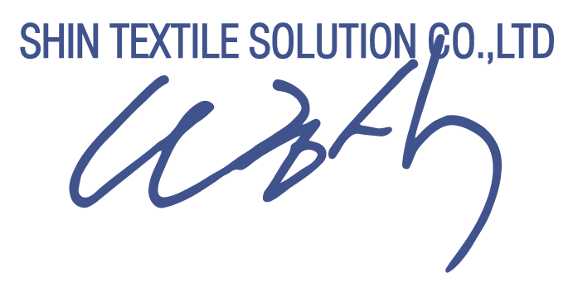

TEL NO. : 070-4006-3700~14, (DIR. 070-4006-3727)
FAX NO. : (02)6330-2019 |  |  | 17).Signed by :

IMPORT-K(SAMTEX)
COMMERCIAL INVOICE
1) Shipper/ Exporter : |  |  | 8) No & Date of Invoice
Shin Textile Solutions Co., Ltd.
801,E&C Venture Dreamtower 2, 55, Digital-ro 33-gil, |  |  | STB-S26-010 |  |  |  | 14-Mar-26
Guro-gu, Seoul, Korea |  |  | 9) No & Date L/C
TEL :070-4659-3337 FAX :02-6330-2019
2) Consignee :
SHINTS BVT CO.,LTD VAT:0800006025 |  |  | 10) L/C issuing bank
PHU TAO RESIDENTIAL AREA, THACH KHOI WARD,
HAI PHONG CITY, VIETNAM
TEL :84-320-3861-727 FAX :84-320-3861-730 |  |  | 11) Remarks:
XNK-Thy Ha <thyha@shintsbvt.com>
3) Notify party : |  |  |  |  | FREIGHT CHARGE :
THE SAME AS ABOVE |  |  |  |  | INSURANCE CHARGE :

4) Port of loading: | 5) Final Destination: |  |  | C/T : | 17 | CT
 |  |  |  | NET : | 5.26 | KGS
INCHEON, KOREA | HAIPHONG, VIETNAM |  |  | GRS : | 5.79 | KGS
6) Carrier | 7) Sailing on/ or About

12) Marks and Number of PKGS | 13) Description of Goods |  | 14) Quantity/Uint |  | 15) Unit/price | 16) Amount

 |  |  | ( CIF HAIPHONG, VIETNAM )

 | Desc |  | Q'ty | Unit | Price | Total
 | CH-31188-C0A2FLW(10K/10K) |  | 267 | YD | $6.2900 |  | 1.70
 | CH-31298-C0A2FLW(10K/10K) |  | 8 | YD | $5.1500 |  | 0.05
 | CH-32046- C0ADWRCIRE |  | 50 | YD | $2.5500 |  | 0.32
 | SANDWICH AIR MESH (CH-31963-PD) |  | 524 | YD | $4.1500 |  | 3.19
 | TOTAL

DESC/SPEC | HS CODE | OFFER SPEC
54"(Cuttable), C0 DWR Version, 100%P, P 610D x P 610D, Dty | 5903.20-0000 | 100% POLYESTER D.T.Y F.YARN WOVEN FABRIC YARM SEPC : P/DTY 305 INVISTA 2PLY*P/DTY 305 INVISTA 2PLY FINISHED : PD/C0 AWR/2LAYER WHITE LAMINATED(10K/10K) WIDTH : 54" WEIGHT : 351GR/YD |  |  |  |  |  | CH-31188-C0A2FLW(10K/10K)
54"(Cuttable), 100% POLYESTER | 5903.20-0000 | 100%POLYESTR F.YARN WOVEN FABRIC US 305D CORDURA 63" WITH IN GREY WOVEN BY SHUTTLESS LOOM FINISH : PD/C0 ADWR/2 LAYER WHITE LAMINATION (10K/10K) W/P : US P/DTY 305D BR 84E/INCH 174GR/YD W/T : US P/DTY 305D BR 52P/INCH 105GR/YD YARN WEIGHT : 279GR/YD TOTAL WEIGHT : 327GR/YD |  |  |  |  |  | CH-31298-C0A2FLW(10K/10K)
55"(Cuttable), 100% Polyester- C0 DWR (Samtex) | 5407.69-2000 | ITEM : CH-32046-C0ADWRCIRE PD/C0 DWR/CIRE YARN : POLY F.YARN 20D SD+POLY F.YARN 20D SD WIDTH : 55" TOTAL WEIGHT: 49GR/YD |  |  |  |  |  | CH-32046- C0ADWRCIRE
52/54" | 6005.37.0000 | 100% POLYESTER P/D YARN : P75D+P30D WIDTH : 52/54" TOTAL WEIGHT: 325GR/YD |  |  |  |  |  | SANDWICH AIR MESH (CH-31963-PD)

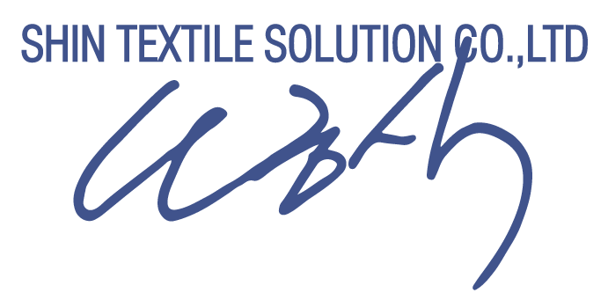

TEL NO. : 070-4006-3700~14, (DIR. 070-4006-3727)
FAX NO. : (02)6330-2019 |  |  |  | 17).Signed by :

